HLD
JORDAN | Optical Layer Design |  | SYRIA
AA |  |  | BB
D = 30 Km
D = 30 Km
D = 30 Km
WSMD9
WSMD9
WSMD9
WSMD9
106
106
106
106
G.652
DAPXF
DAPXF
G.652
DAPXF
DAPXF
G.652

106
106
106
106
Fiber Losses = 12.5 dB
Fiber Losses = 12.5 dB
Fiber Losses = 12.5 dB

DAP
DAP
DAP
DAP
108
108
108
108
108
108
108
108

TMD20
TMD20
TMD20
TMD20

 |  | work OSNR

HLD-2
 | Electrical Layer Design

AA - Jordan |  | BB - Syria
1*100G
1*100G
M520SM
M520SM
M520SM
M520SM
M520SM
1*100G
DCP
DCP
DCP
DCP
AA - BB Link
DCP
8*10G
8*10G

1*100G
M520SM
M520SM
M520SM
M520SM
M520SM
DCP
DCP
DCP
DCP
DCP
1*100G
AA - BB Link
7*10G
7*10G

LLD
TM12
TM2
IN_2
M520SM06
191.300000THz+‐25GHz(3/A08)A08)M06 191.300000THz+‐25GHz(3/ A08)
 |  | TM1 RM1 1511 | A
 | R_IN |  | S
 |  |  | T |  |  |  |  |  | TX1,3‐12 2
VO_2
G2DCP01(3/A09)
 | TC |  | 2 |  |  | DM01 PIN1 | SOUT1
O
P
M
8
(3/ B07)
IN_1
 |  |  | (3/A07)
VO_1
M520SM06
191.300000THz+‐25GHz(3/A08)A08)M06 191.300000THz+‐25GHz(3/ A08)
 | T_MON |  |  |  |  |  |  |  | TX1,3‐12 2
G3WSMD901(3/B02)AA
G2DCP01(3/A09)
G2DCP01(3/A09)
 |  |  |  |  |  | DM01 PIN1 | SOUT1
O P M 8 (3/ B07)
 | R_MON
G 3 D A P X F (3/ A01)( R_TN G3O ACE1 06(R) T_TN G3O ACE1 06(T) )
G3WSMD901(3/B02)AA
G2DCP01(3/A09)
M520SM06
191.300000THz+‐25GHz(3/A08)A08)
G 2 D A P (3/ A04)( 1_TN G3O ACE1 08(T) 2_TN G3O ACE1 08(R) )
G2DCP01(3/A09)
G2DCP01(3/A09)
M520SM06
191.300000THz+‐25GHz(3/A08)A08)M06 191.300000THz+‐25GHz(3/ A08)
 |  |  |  |  |  | AM01 POUT1 | SIN1 |  | RX1
 |  |  |  |  |  |  |  |  | RX3‐12
 |  |  |  |  |  | AM01 POUT1 |  |  | RX1
G 3 T M D 2 0 0 1 (3/ A05)
 |  |  |  |  |  |  | SIN1 |  | RX3‐12
 |  |  |  |  | OUT_2 IN
From AA_G3DAPX F(000)_LIN
(AA_BB_1 ) |  |  |  | DM5 VI_2

G 3 W S M D 9 0 1 (3/ A02)
G 3 W S M D 9 0 1 (3/ A02)

To AA_G3DAPX F(000)_LIN
(AA_BB_1 )
 |  |  |  | AMS | VI_1 OUT
 |  |  |  | OUT_1

 | RC
 | T_VO

 | T_VI
 | T_OUT

N
1
2
3

5

TM12
TM2
IN_2
M520SM06
191.300000THz+‐25GHz(3/A08)A08)M06 191.300000THz+‐25GHz(3/ A08)
 |  | TM1 RM1 1511 | A
 | R_IN |  | S
 |  |  | T |  |  |  |  |  | TX1,3‐12 2
VO_2
G2DCP01(3/A09)
 | TC |  | 2 |  |  | DM01 PIN1 | SOUT1
O
P
M
8
(3/ B07)
IN_1
 |  |  | (3/A07)
VO_1
M520SM06
191.300000THz+‐25GHz(3/A08)A08)M06 191.300000THz+‐25GHz(3/ A08)
 | T_MON |  |  |  |  |  |  |  | TX1,3‐12 2
G3WSMD901(3/B02)AA
G2DCP01(3/A09)
G2DCP01(3/A09)
 |  |  |  |  |  | DM01 PIN1 | SOUT1
O P M 8 (3/ B07)
 | R_MON
G 3 D A P X F (3/ A01)( R_TN G3O ACE1 06(R) T_TN G3O ACE1 06(T) )
G3WSMD901(3/B02)AA
G2DCP01(3/A09)
M520SM06
191.300000THz+‐25GHz(3/A08)A08)
G 2 D A P (3/ A04)( 1_TN G3O ACE1 08(T) 2_TN G3O ACE1 08(R) )
G2DCP01(3/A09)
G2DCP01(3/A09)
M520SM06
191.300000THz+‐25GHz(3/A08)A08)M06 191.300000THz+‐25GHz(3/ A08)
 |  |  |  |  |  | AM01 POUT1 | SIN1 |  | RX1
 |  |  |  |  |  |  |  |  | RX3‐12
 |  |  |  |  |  | AM01 POUT1 |  |  | RX1
G 3 T M D 2 0 0 1 (3/ A05)
 |  |  |  |  |  |  | SIN1 |  | RX3‐12
 |  |  |  |  | OUT_2 IN
From AA_G3DAPX F(000)_LIN
(AA_BB_1 ) |  |  |  | DM5 VI_2

G 3 W S M D 9 0 1 (3/ A02)
G 3 W S M D 9 0 1 (3/ A02)

To AA_G3DAPX F(000)_LIN
(AA_BB_1 )
 |  |  |  | AMS | VI_1 OUT
 |  |  |  | OUT_1

 | RC
 | T_VO

 | T_VI
 | T_OUT

TM12
TM2

IN_2
VO_2
3
10
2
 |  |  |  |  |  |  |  | TX1
IN_1
VO_1

3
10
2
MON_2
IN6
3
10
2
MON_1
IN5

3
7
2
 |  |  |  |  |  |  |  | RX1

3
7
2

3
7
2

 |  |  |  | AM2 | VI_1 OUT
 |  |  |  | OUT_1

TM12
TM2

IN_2
VO_2
3
10
2
O
P
M
8
IN_1
VO_1

3
10
2
(1/A05)
MON_2
IN8
3
10
2
 |  |  | DM1
MON_1
IN7

3
7
2

3
7
2

3
7
2

 |  |  |  | AM2 | VI_1 OUT
 |  |  |  | OUT_1

Rack
1- Huawei OptiX OSN 9800 M12

Specifications
Optical Switching Capability | 1 to 20-degree ROADM
Wavelength Range | DWDM: 1524.50 nm to 1572.06 nm (super C-band)
Max. Rate Per Channel | 400 Gbit/s (OTUC4)
Service Type | SDH/SONET Ethernet SAN OTN Video
Line Rate | 10 Gbit/s 100 Gbit/s 200 Gbit/s 400 Gbit/s
Supported Pluggable Optical Modules | eSFP SFP+ TSFP+ CFP CFP2 QSFP28 SFP28 QSFP+
Max. Rate Per Channel | 800 Gbit/s (OTUC8)
Service board slots | 13 large (11 U) slots
Line Rate | 10 Gbit/s100 Gbit/s 200 Gbit/s 400 Gbit/s 800 Gbit/s
Supported Pluggable Optical Modules | eSFP SFP+ TSFP+ CFP CFP2 QSFP28 SFP28 QSFP+ QSFP-DD
Working environment
Nominal Working Voltage | -48 V/-60 V DC
Temperature | Long-term operation: 0°C (32 °F) to 45°C (113 °F)
 | Short-term operation: -5°C (23 °F) to 55°C (131 °F)
Humidity | Long-term operation: 5% to 85%
 | Short-term operation: 5% to 90%
Mechanical Specifications
Dimensions(mm) | 347.2 (H) × 442 (W) × 295 (D)
Cabinet | ETSI 300/600 cabinets, such as A63B, 19-Inch Cabinet
Weight(kg) | 12.2
Datasheet Link | https://carrier.huawei.com/~/media/cnbgv2/download/products/networks/optix-osn-9800-m-en.pdf

2- ETSI 600 mm cabinet
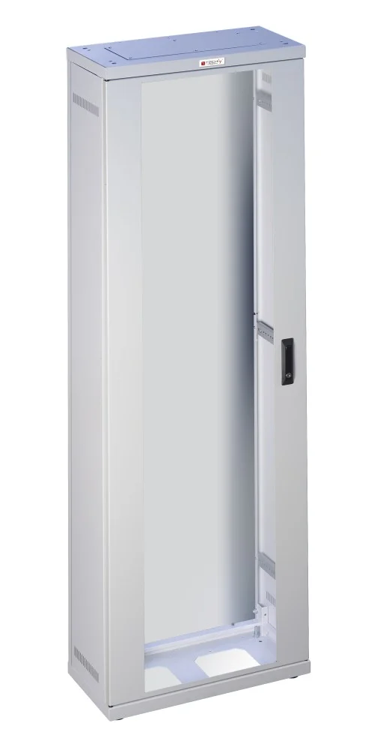
Parameter | Specification
Standard | ETSI EN 300 119-2
External Width | 600 mm
Internal Mounting Width | ~535 mm
Mounting Rail Spacing | 515 mm (center-to-center)
Cabinet Height | 2200 mm (typical)
Rack Units (U) | ~47U (for 2200 mm height)
Depth Options | 300 mm / 600 mm
Mounting Pitch | 25 mm
Load Capacity | Static: 15 kN/m²
 | Dynamic: ~800 N
Cooling Support | Front-to-back / top fan tray
Material | Steel (galvanized or powder-coated)
Cable Entry | Top & bottom cable entry openings
Door Options | Front/rear hinged (vented or glass)
Side Panels | Removable or fixed
Grounding | Integrated ground bar and earthing points
Mounting Compatibility | Huawei OSN 9800 M12, BBU5900, etc.
Datasheet Link | https://www.etsi.org/deliver/etsi_en/300100_300199/30011902/02.02.02_60/en_30011902v020202p.pdf

Cards
Areas & Slot Functions

1- PIU (Power Interface Units) Card

Parameter | Specification
Location | Left and right vertical edges of the OSN 9800 M12 chassis
Model Type | TN51PIU 03020JRQ
Function | Receives DC power and distributes it to internal boards and fans
Power Supply Type | –48 V DC or –60 V DC (typical telecom standard)
Power Redundancy | 1+1 redundancy (Two independent power inputs, one active and one standby)
Maximum Input Voltage | –38.4 V to –72 V DC (operating range)
Nominal Input Voltage | –48 V DC or –60 V DC
Connector Type | Terminal blocks or pluggable DC connectors (depends on PIU version)
Monitoring Functions | Voltage, current, over-temperature, door alarm, fan alarm via EFI module
Cooling Integration | Powers and manages fan modules installed in the upper center area
Control Board Support | Some AUX/PIU combinations also support RJ45 or RS485 ports for subrack management
Operating Temperature | –5 °C to +45 °C
Relative Humidity | 5% to 95% (non-condensing)
Datasheet Link | https://carrier.huawei.com/~/media/cnbgv2/download/products/networks/optix-osn-9800-m-en.pdf

2- AUX Card ( Auxiliary Card)

Parameter | Specification
Board Name | AUX (Auxiliary Interface Unit)
Model Type | TMF2AUX
Supported Equipment | Huawei OptiX OSN 9800 M12, M24, M05, and compatible with U series
Function | Provides auxiliary functions: management access, alarms, grounding, subrack synchronization
Slot Location | Side area of the chassis (typically left or right vertical edge in PIU/AUX bay)
Management Interfaces | - 1 × RJ-45 Ethernet port (for Local Craft Terminal or NMS)
 | - 1 × RS-232 Console port (for CLI access)
Alarm Interface | 1 × dry contact port (2-pin or 4-pin terminal block)
Grounding Point | 1 × GND terminal for chassis grounding
Datasheet Link | https://www.thunder-link.com/tmf2aux.html

3- WSMD9 Card

Parameter | Specification
Board Name | WSMD9 ll TNG2WSMD9
Board Type | Wavelength Selective Switch (WSS) board
Function | Dynamic add/drop of multiple DWDM wavelengths across multiple directions (9-degree ROADM)
Degree Count | Up to 9 degrees (9 directions)
Supported Channel Count | Up to 96 channels (flex-grid or 50/100 GHz fixed grid)
Wavelength Range | C-band (1528.77–1563.86 nm) or Super C-band
Optical Connectors | LC/UPC
Input/Output Ports | Up to 18 optical ports (9 Degree Ports, Add/Drop Common, and Monitoring ports)
Compatibility | OSN 9800 M24, M12, M05, U16, U32 subracks
Datasheet Link | https://www.thunder-link.com/tng2wsmd9.html

4- OPM8 (Optical Performance Monitor – 8 channels)

Parameter | Specification
Model Type | TNG2OPM8
Function | Real-time monitoring of optical power and wavelength on 8 DWDM channels
Monitoring Channels | 8 DWDM channels simultaneously
Wavelength Range | C-band: 1528.77–1563.86 nm (191.3 THz to 196.1 THz), ITU-T G.694.1 compliant
Grid Support | 100 GHz / 50 GHz / flex-grid
Input Optical Power Range | –40 dBm to +5 dBm
Connector Type | LC/UPC or SC/UPC (depends on model; usually LC/UPC)
Port Type | Monitoring input (from splitter-tapped signal) only
Measurement Interval | Configurable; typically every few seconds (software-controlled)
Installation Slot | Service board area in OSN 9800 M12/M24/M05
Compatibility | Works with DWDM boards like TMD20, WSMD9, M520SM
Required Accessories | Passive optical splitters (e.g., 1:99 or 2:98 taps) | WHY? --> to tap the fiber so the OPM8 can monitor traffic without affecting it.
Datasheet Link | https://www.thunder-link.com/tng2opmb.html

5- DCP (Dual Channel Protection) Card

Parameter | Specification
Model Type | TNG2DCP01
Function | Optical protection switching for DWDM signals (e.g., OLP 1+1, optical channel protection)
Protection Types | 1+1 Optical Line Protection (OLP)
Supported Channels | 2 (Working and Protection)
Supported Services | Transparent to all optical services (OTN, SDH, Ethernet, etc.)
Wavelength Range | C-band DWDM: 1528.77 nm – 1563.86 nm
Connector Type | LC/UPC
Datasheet Link | https://www.thunder-link.com/tng2dcp01.html

6- DAP (Dual-channel Amplifier Pluggable) Card

Parameter | Specification
Model Type | TNG2DAP
Function | Amplify optical DWDM signals in the optical layer using pluggable modules
Wavelength Range | 1524.3 nm – 1572.5 nm (Super C-band)
Supported OA Modules | 96‑λ and 120‑λ DWDM modules; single λ (e.g., 1550 nm)
Amplification Controls | Gain/power locking, APC, transient-state control
Monitoring | In-service optical performance, alarms, ASON
Use Case | DWDM signal boosting in optical layer of M12 subracks

Datasheet Link | https://www.thunder-link.com/tng2dap.html | NOTE:
 |  | DAPXF is a type of the DAP board family used in Huawei OptiX OSN 9800 series, including the M12 platform
7- DAPXF (Dual‑channel Amplifier Pluggable with XFIU/OSC)

Parameter | Specification
Module type | TNG2DAPXF
Function | Dual-channel Super C-band amplification using pluggable modules, MUX/DeMUX of in-service supervisory
 | channel, and Optical-layer interface (XFIU)to cross-connects or ROADMs for hybrid network integration.
Band | Super C-band (1524.5–1572.06 nm)
Ports | 2 pluggable amplifier module slots
Embedded Features | XFIU (optical interface), OSC Mux/Demux
Supported topology | OLA, ROADM, multi-degree cross-connect
Datasheet Link | https://www.thunder-link.com/tng2dapxf.html

8- M520SM Card

Parameter | Specification
Card Type | programmable wavelength conversion module
Model Type | TNG1M520SM
Function | Service Multiplexing: Combines up to 20 x 10GE or 2 x 100GE client services into a single 200G or 100G
Client-side Services | Up to 20 x 10GE or 2 x 100GE
Output Signal | 1 x 200G or 1 x 100G optical signal
Wavelength Range | Super C-band (1524–1573 nm)
FEC (Forward Error Correction) Support | SDFEC2, SDFEC, SDFEC-M
Modulation Formats | QPSK, 16QAM, higher-order QAM
Supported OTUs | OTU4, OTUC2
Datasheet Link | https://www.telecomate.com/tng1m520sm.html?srsltid=AfmBOooQcLP5vDyH_1MtBCQfINue6tSsYdqkpqvo3fA3PmBpgoq9mB-d

9- FAN Card

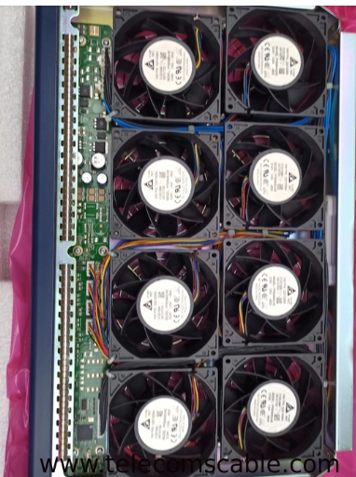
Parameter | Specification
Function | Provides cooling and ventilation to prevent overheating
Model Type | TN18FAN
Redundancy | Supports redundant FAN cards for high reliability
Monitoring | Includes temperature and airflow sensors for real-time monitoring
Form Factor | Pluggable module designed for M12 chassis slots
Slot Location | Installed in designated FAN card slots with proper airflow direction
Hot-Swappable | Can be replaced without powering down the system
Maintenance | Requires regular cleaning to avoid dust buildup
Purpose | Ensures optimal system temperature for stable operation
Datasheet Link | https://actfornet.com/quote/site/product/datasource/usa/id/749.html

10- AST2 (Advanced Switching Technique (v2)) card

Parameter | Specification
Card Name | AST2
Card Type | Service Processing Card (typically OTN switching / cross-connect card)
Application | OTN electrical-layer cross-connect and grooming
Platform Compatibility | Huawei OptiX OSN 9800 M12 / M24 / U32 / U64 / U88
Function | Electrical-layer grooming for ODUk services, scheduling, bandwidth management
Switching Capacity | ~1.6 Tbit/s (varies by version and platform)
Cross-Connect Granularity | ODU0/ODU1/ODU2/ODU2e/ODUflex
Supports Services | OTN, Ethernet, SDH, FC (via client cards)
Reliability | Supports 1+1 card-level protection (in dual configuration)
Management | Controlled via U2000/NCE or CLI
Cooling & Power | Passive backplane cooling, low-power FPGA/ASIC design
Datasheet Link | https://actfornet.com/quote/site/product/datasource/usa/id/749.html

11- SCC (System Control and Communication) Card

Parameter | Specification
Card Name | SCC (System Control and Communication card)
Function | Central control, management, communication, and monitoring
Platform Compatibility | OSN 9800 M12 / M24 / U32 / U64 / U88
Functions | Handles alarms and log data & Controls message exchange between all boards
Card Redundancy | Supports 1+1 hot standby with automatic switchover
Datasheet Link | https://www.telecomate.com/tnf1scc/

SFPs
1- SFP-10G-ZR (02310SNN)

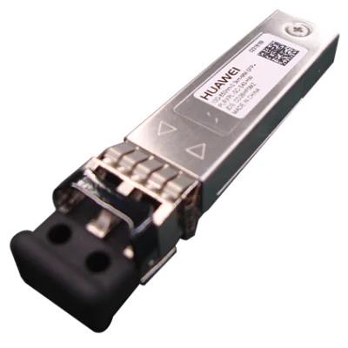
Parameter | Specification
Module name | SFP-10G-ZR
Part Number | 02310SNN
Form factor | SFP+
Application standard | 10GBASE-ZR
Connector type | LC
Optical fiber type | SMF
Working case temperature [°C(°F)] | 0°C to 70°C (32°F to 158°F)
Digital diagnostic monitoring (DDM) | Supported
Transmission rate [bit/s] | 10 Gbit/s
Target transmission distance [km] | Single-mode fiber: 80 km
Center wavelength [nm] | 1550 nm
Maximum Tx optical power [dBm] | 4.0 dBm
Minimum Tx optical power [dBm] | 0 dBm
Minimum extinction ratio [dB] | 9 dB
Datasheet Link | https://support.huawei.com/enterprise/es/doc/EDOC1000013597/31fc0a16/sfp-10g-zr

2- Huawei QSFP28-100G-ER4 (02313HLU)

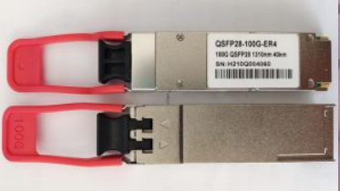
Parameter | Specification
Module name | QSFP-100G-ER4
Part Number | 02313HLU
Model | QSFP-100G-ER4
Form factor | QSFP28
Application standard | 100GBASE-ER4
Connector type | LC
Optical fiber type | SMF
Working case temperature [°C(°F)] | 0°C to 70°C (32°F to 158°F)
Digital diagnostic monitoring (DDM) | Supported
Transmission rate [bit/s] | 100 Gbit/s
Target transmission distance [km] | Single-mode fiber (G.652): 40 km
Center wavelength [nm] | 1295 nm,1300 nm,1304 nm,1309 nm
Maximum Tx optical power [dBm] | 2.9 dBm
Minimum Tx optical power [dBm] | -2.9 dBm
Datasheet Link | https://support.huawei.com/enterprise/en/doc/EDOC1000013597/8b694207/qsfp-100g-er4-02313hlu

Cables
Single Mode Fiber G.652.D

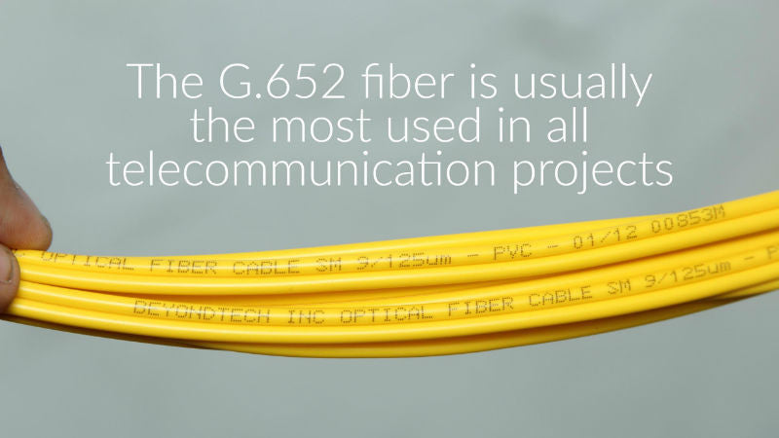
Parameter | Specification
Fiber Type | Single Mode Fiber (G.652.D)
Core Material | Germanium-doped silica
Cladding Material | Silica, step index, matched-clad
Coating | Dual-layer UV-cured acrylate
Cladding Diameter | 125.0 ± 0.7 µm
Coating Diameter | 242 ± 5 µm (uncolored), 250 ± 10 µm (colored)
Mode Field Diameter | 9.2 ± 0.4 µm @ 1310 nm
 | 10.4 ± 0.5 µm @ 1550 nm
Attenuation (Loose Tube Cable) | 0.32 / 0.36 dB/km @ 1310 nm
 | 0.19 / 0.24 dB/km @ 1550 nm
 | 0.22 / 0.26 dB/km @ 1625 nm
Attenuation (Tight Buffered Cable) | 0.35 / 0.40 dB/km @ 1310 nm
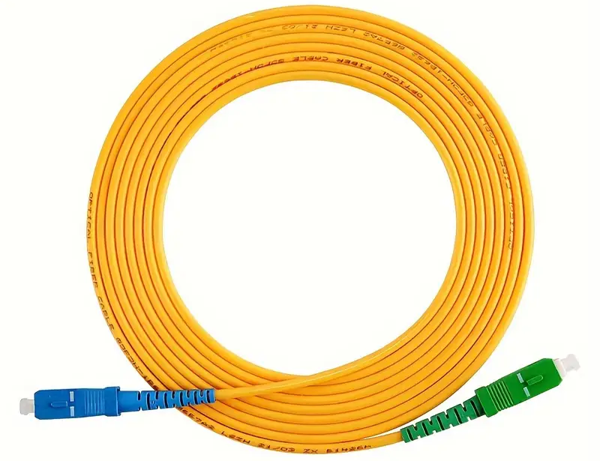
 | 0.25 / 0.40 dB/km @ 1550 nm
Zero Dispersion Wavelength | 1302 – 1322 nm
Chromatic Dispersion | ≤ 3.5 ps/(nm·km) @ 1285–1330 nm
 | ≤ 18.0 ps/(nm·km) @ 1550 nm
 | ≤ 22.0 ps/(nm·km) @ 1625 nm
Macrobending Loss (100 turns, 50 mm mandrel) | ≤ 0.05 dB @ 1310/1550/1625 nm
Proof Test Level | ≥ 100 kpsi (1.0% strain)
Coating Strip Force | 1.3 – 8.9 N
Dynamic Fatigue Resistance Parameter | ≥ 20
Datasheet Link | https://www.fs.com/au/blog/is-g652-single-mode-fiber-your-right-choice-1358.html

